Instances
Server | Instance | Version | Ver Year | User
FERRARI616 | SQLEXPRESS2012 | (SQL Server 11.0.2100 | 2012 | FERRARI616\keith)
FERRARI616 | SQLEXPRESS | (SQL Server 14.0.2027 | 2017 | FERRARI616\keith)
FERRARI616 | BBALL | (SQL Server 14.0.2027 | 2017 | FERRARI616\keith)
FERRARI616 | BBALLHISTORY | (SQL Server 14.0.2027 | 2017 | FERRARI616\keith)

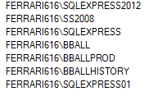

 |  |  |  | SQLEXPRESS2012
 |  |  |  | [00TTI_LeagueScores_10_03]

 |  |  |  | Table | 2021 | 1920 | 1819 | 1718 | 1617
 |  |  |  | Adjustments | NULL | 1495 | 2823 | 2589 | 2441
 |  |  |  | Adjustments_NEW | NULL | 1685 | NULL | 2898 | 2835

 |  |  |  | StartDate | EndDate
 |  |  |  | 2018-10-15 | 2019-06-13

GameStatus
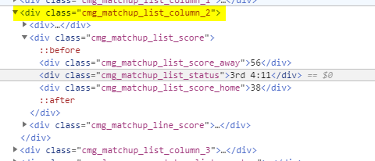
Period | 2
Mins | 0
Secs | 0
SecsLeft | 0
Away Sore | 64
Home Score | 61
Score | 125
TL | 200
Periods | 4
MinPerPeriod | 12
PtsPerMin | 4.17
PeriodsLeft | 2
MinsLeft | 24 | 24
GamePace | 225 | sc + MinsLeft * PtsPMin |  |  |  |  |  | 3rd end
OvUnAmt | 25 | GamePace - TL

 | Controller
UI Flow | Lg GD

BAL
 | SortedList<string, CoversDTO> ocRotation = new SortedList<string, CoversDTO>();
 | RotationDO.PopulateRotation(ocRotation, _oBballInfoDTO, _oLeagueDTO);

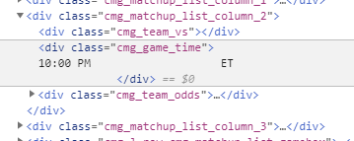
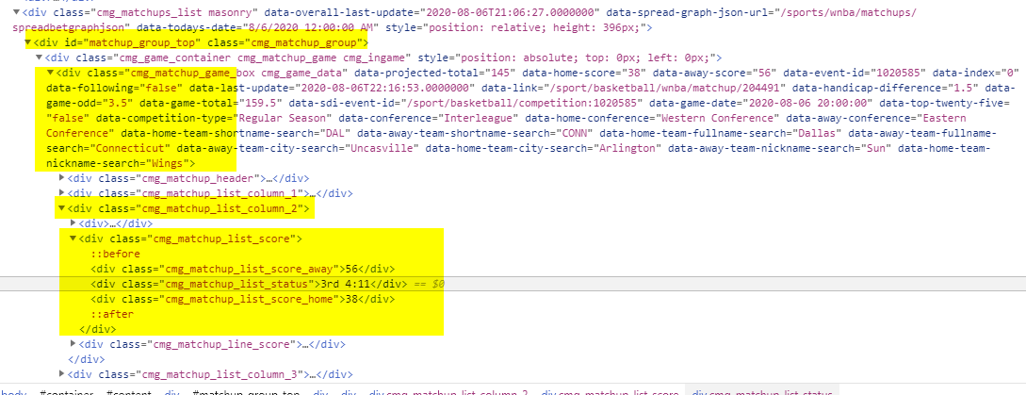
return
 | Rot#
 | Scores

 | Rot#/Gm Time | Teams | TL / Side | Scores

 | Refresh | Single Line
 | 1 | 2 | 3 | 4 | 5 | 6
 | Rot# | Teams | Line | Score | Status | Info
InProgress | 603 | ATL | Over | 100 | (4) 6:20
 | 7:05 | BOS | 220 | 105 | 105 (-15) | Ov 10
NotStarted | 603 | ATL | Under |  |  | 9:05
 | 9:05 | BOS | 220 |  |  | Game
Cancelled | 603 | ATL | Under |  |  | Cancelled
 | 9:05 | BOS | 220
Final | 603 | ATL | Over | 100 | Final |  | <== Final
 | 7:05 | BOS | 220 | 105 | Under | Loss
2 Row display | RotNum | Team Away | Play Direction | Score Away | Time Status | Info
 | Game Time | Team Home | Line | Score Home | Current Status | OvUn Status

 | 1 | 2 | 3 | 4 | 5 | 6
Single row | Rot# | Teams | Line | Score | Status | Info
InProgress | 603 | ATL | Ov 220 | 115 | (4) 6:20 | Ov 10
NotStarted | 603 | ATL | Ov 220 |  | 9:05 | Game
Cancelled | 603 | ATL | Ov 220 |  |  | Cancelled
Final | 603 | ATL | Ov 220 | 222 | Final | Win

OldBball Screenshot
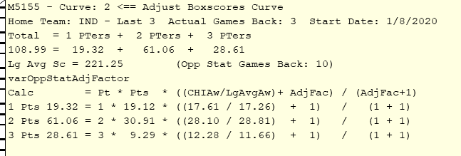
 |  |  | AdjustPoints Class |  | TeamPointPercentages
 |  |  | Parms Pt1, 2, 3 |  | % of 1, 2, 3PTers
 |  |  | Pt Adjustment Amt |  | Parms: LG, GameDate, Venue, Team, GamesBack
 |  |  | Calc |  | Select Top GamesBack Avg(Pt1, 2, 3
 |  |  | Pt1Adjusted - same for 2 & 3 |  | FROM BxSc
 |  |  |  |  | Where GD, Venue, Team Lg
 |  |  |  |  | Order Desc by GD

 |  | This top info
 |  | to be cleaned
 |  | up

One Matchup | Multi | Away
 | Line | Home
 |  | Total
 |  | 1 Line Display

 | Next Matchup ==>

 |  |  |  | 224
 |  |  |  | 222
 |  |  |  | 226

